Sheet1
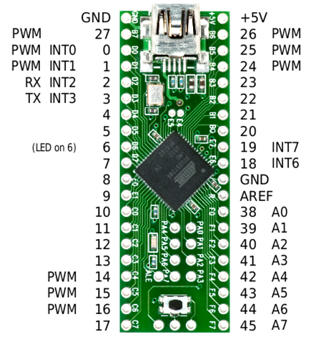
Digital GND |  |  |  |  | 5V
Tone Pin |  |  |  |  | Front SRF05 Echo Pin
I2C (SCL) |  |  |  |  | Left SRF05 Echo Pin
I2C (SDA) |  |  |  |  | Right SRF05 Echo Pin
Camera(Tx) |  |  |  |  | Front SRF05 Trigger Pin
Camera(Rx) |  |  |  |  | Left SRF05 Trigger Pin
Radio Control ICP Pin |  |  |  |  | Right SRF05 Trigger Pin
Rear SRF05 Echo Pin |  |  |  |  | Rear SRF05 Trigger Pin
Teensy LED Pin |  |  |  |  | Left Bump Switch Pin Active LOW
Front Power Pin |  |  |  |  | Right Bump Switch Pin Active LOW
Rear Power Pin |  |  |  |  | Analog GND
Active LOW Start Button |  |  |  |  | Analog Reference
Relay A |  |  |  |  | Volt/Signal Task ADC Pin
Relay B
Digital IR sensor
Task Cap Low Side
Reference Cap Low Side
Task Cap High Side
Reference Cap High Side
Cap Test Result Pin

 |  | 5V | GND | Reset
Left side pin declarations |  |  |  |  | Right side pin declarations
GND |  |  |  |  | 5V
static const uint8_t TONE_PIN = 27; | Interior Pins |  |  |  | static const uint8_t FRONT_SRF05_ECHO_PIN = 26;
// I2C SCL 0 |  |  |  |  | static const uint8_t LEFT_SRF05_ECHO_PIN = 25;
// I2C SDA 1 |  | 32 |  | 28 | static const uint8_t RIGHT_SRF05_ECHO_PIN = 24;
// camera will use serial pins Rx 2 |  | 33 |  | 29 | static const uint8_t FRONT_SRF05_TRIGGER_PIN = 23;
// Tx 3 |  | 34 |  | 30 | static const uint8_t LEFT_SRF05_TRIGGER_PIN = 22;
static const uint8_t ICP_PIN = 4; | Address Latch Enable | 35 |  | 31 | static const uint8_t RIGHT_SRF05_TRIGGER_PIN = 21;
static const uint8_t REAR_SRF05_ECHO_PIN = 5; |  |  |  |  | static const uint8_t REAR_SRF05_TRIGGER_PIN = 20;
static const uint8_t TEENSY_LED_PIN = 6; |  |  |  |  | static const uint8_t LEFT_BUMP_SWITCH_PIN = 19;
static const uint8_t FRONT_POWER_PIN = 7; |  |  |  |  | static const uint8_t RIGHT_BUMP_SWITCH_PIN = 18;
static const uint8_t REAR_POWER_PIN = 8; |  |  |  |  | // GND
static const uint8_t START_PIN = 9; |  |  |  |  | // AREF
static const uint8_t RELAY_A_PIN = 10; |  |  |  |  | static const uint8_t VOLT_SIGNAL_ADC_PIN = 38; // A0
static const uint8_t RELAY_B_PIN = 11; |  |  |  |  | 39 // A1
static const uint8_t FRONT_GIGITAL_IR_PIN = 12; |  |  |  |  | 40 // A2
static const uint8_t TASK_CAP_LOW_PIN = 13; |  |  |  |  | 41 // A3
static const uint8_t REF_CAP_LOW_PIN = 14; |  |  |  |  | 42 // A4
static const uint8_t TASK_CAP_HIGH_PIN = 15; |  |  |  |  | 43 // A5
static const uint8_t REF_CAP_HIGH_PIN = 16; |  |  |  |  | 44 // A6
static const uint8_t CAP_RESULT_PIN = 17; |  |  |  |  | 45 // A7

